Sheet1
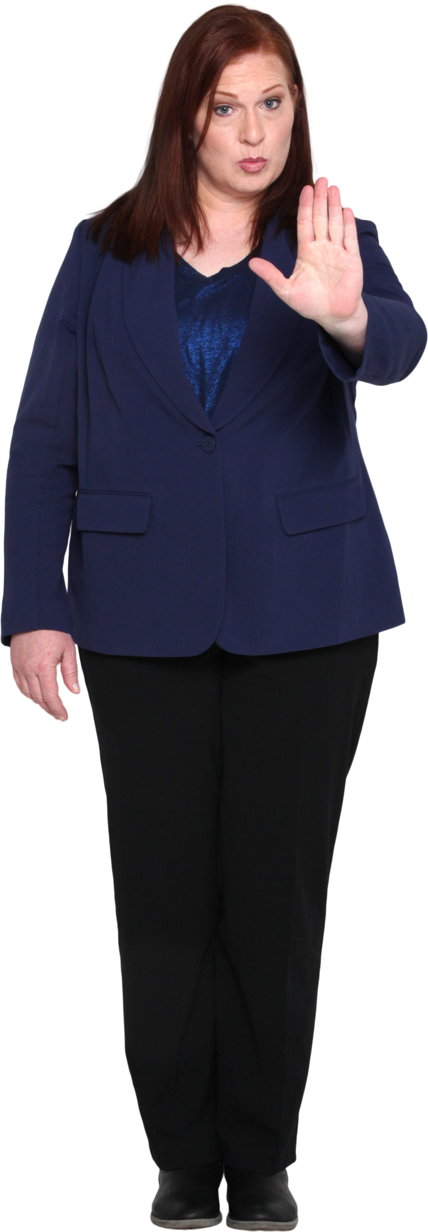
Highest Goal Scorer | Highest Goal Scorer
1930ArgentinaGuillermo Stábile (8) | 1930-Argentina-Guillermo Stabile -8
1934CzechoslovakiaOldřich Nejedlý (5) | 1934-Czechoslovakia-Oldrich Nejedly -5
PROBLEM
1938BrazilLeônidas (7) | 1938-Brazil-Leonidas -7
1950BrazilAdemir (9) | 1950-Brazil-Ademir -9
1954HungarySándor Kocsis (11) | 1954-Hungary-Sandor Kocsis -11
1958FranceJust Fontaine (13) | 1958-France-Just Fontaine -13
RESULT
1962BrazilGarrincha (4) | 1962-Brazil-Garrincha -4
1962BrazilVavá (4) | 1962-Brazil-Vava -4
1962ChileLeonel Sánchez (4) | 1962-Chile-Leonel Sanchez -4
1962HungaryFlórián Albert (4) | 1962-Hungary-Florian Albert -4
Insert a hyphen ( i.e. - character) after year, country name and striker's name .
For Power Query solutions - All accented letters (diacritics) should be converted to English equivalents. Hence á will be converted to a.
For purpose of scoping, you can assume that scope is limited to only those diacritics which are appearing here.
1962Soviet UnionValentin Ivanov (4) | 1962-Soviet Union-Valentin Ivanov -4
1962Socialist Federal Republic of YugoslaviaDražan Jerković (4) | 1962-Socialist Federal Republic of Yugoslavia-Drazan Jerkovic -4
1966PortugalEusébio (9) | 1966-Portugal-Eusebio -9
1970West GermanyGerd Müller (10) | 1970-West Germany-Gerd Muller -10
1974PolandGrzegorz Lato (7) | 1974-Poland-Grzegorz Lato -7
1978ArgentinaMario Kempes (6) | 1978-Argentina-Mario Kempes -6
1982ItalyPaolo Rossi (6) | 1982-Italy-Paolo Rossi -6
1986EnglandGary Lineker (6) | 1986-England-Gary Lineker -6
1990ItalySalvatore Schillaci (6) | 1990-Italy-Salvatore Schillaci -6
1994BulgariaHristo Stoichkov (6) | 1994-Bulgaria-Hristo Stoichkov -6
1994RussiaOleg Salenko (6) | 1994-Russia-Oleg Salenko -6
1998CroatiaDavor Šuker (6) | 1998-Croatia-Davor Suker -6
2002BrazilRonaldo (8) | 2002-Brazil-Ronaldo -8
2006GermanyMiroslav Klose (5) | 2006-Germany-Miroslav Klose -5
2010GermanyThomas Müller (5) | 2010-Germany-Thomas Muller -5
2010NetherlandsWesley Sneijder (5) | 2010-Netherlands-Wesley Sneijder -5
2010SpainDavid Villa (5) | 2010-Spain-David Villa -5
2010UruguayDiego Forlán (5) | 2010-Uruguay-Diego Forlan -5
2014ColombiaJames Rodríguez (6) | 2014-Colombia-James Rodriguez -6
2018EnglandHarry Kane (6) | 2018-England-Harry Kane -6

